Jokade
 | CREIIT S.R.L. Republic of Moldova, Chisinau, Florilor, 1, Cod fiscal: 1003600136901 cod TVA 0601701 Tel. +373 022 447379 +37368352299 +37369101813 info@creit.md
Item Description | Photo |  |  | Cant. | MDL
Cabels
JA010-M ZHIZUN Series Charging Data Cable (1 meter) (Micro) |  |  | Black | Buc | 15.00
JA010-L ZHIZUN Series Charging Data Cable (1 meter) (Lightning) | 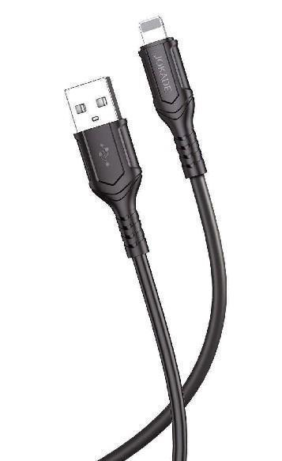 | 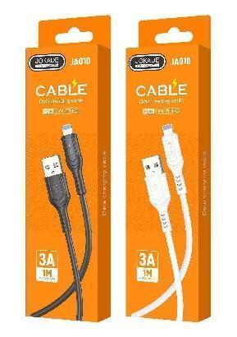 | White | Buc | 15.00
JA010-C ZHIZUN Series Charging Data Cable (1 meter) (Type-C) | 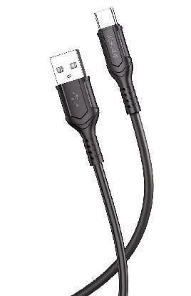 | 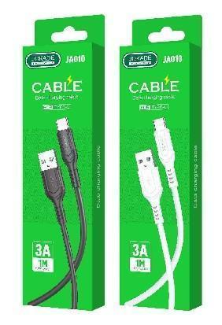 | Black White |  | 15.00
JA034-C QIANFAN series smart charging data cable (Type-C) |  |  | Black | Buc | 25.00
JO055 CHUANGMING series AUX cable (1 meter) |  | 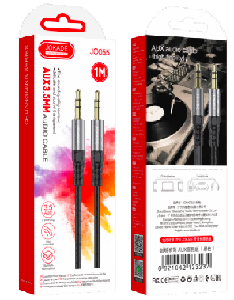 | Black | Buc | 25.00
JA034-L QIANFAN series smart charging data cable (Lightning) |  |  | Black | Buc | 25.00
JA041 YUANTONG series smart charging data cable (Type-C) (2 meters) |  |  | Black Red | Buc | 35.00
JA034-C-C QIANFAN series PD100W smart charging data cable (Type-C to Type-C) | 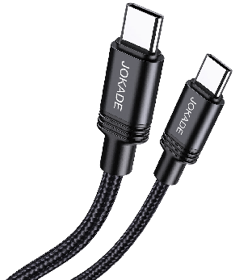 | 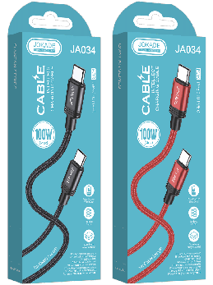 | Black Red | Buc | 35.00
JA020-C SHENZHOU Series silicone fast charge data cable(1 meter) (Type-C) |  | 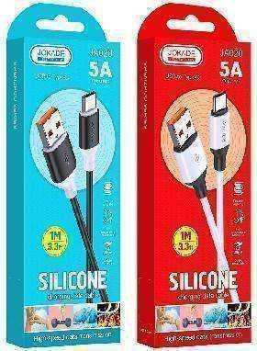 | Black White | Buc | 35.00
JA020-L SHENZHOU Series silicone fast charge data cable(1 meter) (Lightning) |  | 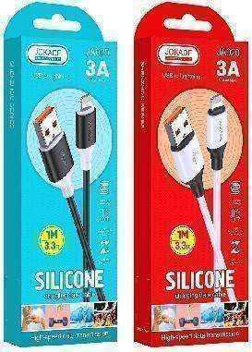 | Black White | Buc | 35.00
JA034-C-L QIANFAN series PD30W smart charging data cable (Type-C to lightning) | 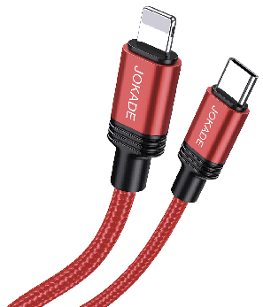 | 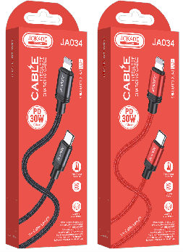 | Black Red | Buc | 25.00
JA106-C LINGYUE silicone Digital audio conversion cable (3.5mm-Type C) | 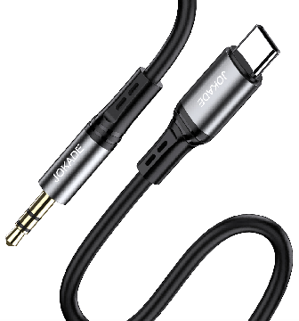 | 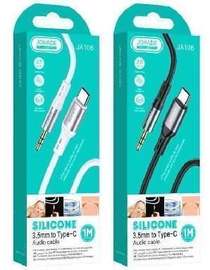 | Black White | Buc | 40.00
JA106-L LINGYUE silicone Digital audio conversion cable (3.5mm-Lightning) | 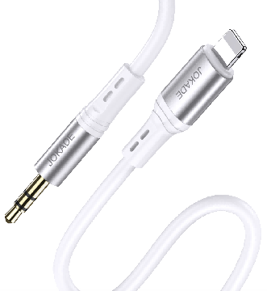 | 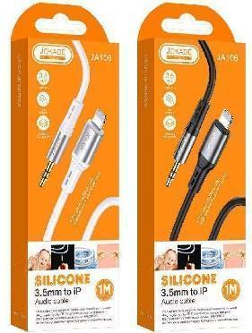 | Black White | Buc | 45.00
JA034-C QIANFAN series smart charging data cable (Type-C) | 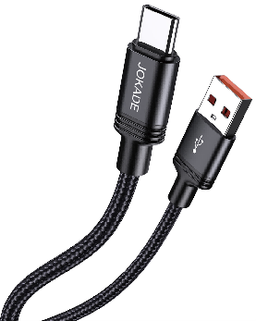 | 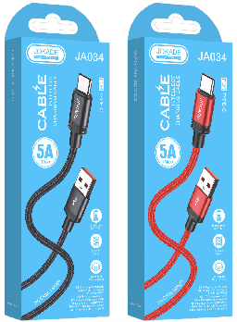 | Black | Buc
JA034-L QIANFAN series smart charging data cable (Lightning) | 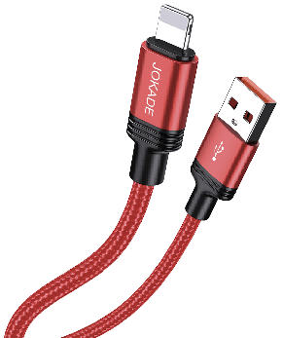 | 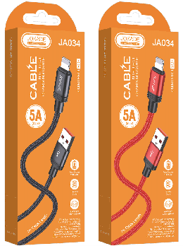 | Black | Buc | 25.00
Charger
JB047/JB021 XUETI Series Single Port Smart Charger (European Standard) | 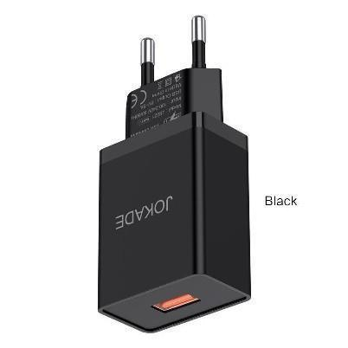 | 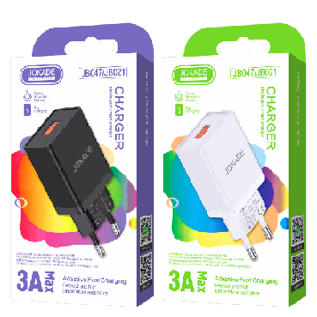 | Black White | Buc | 25.00
JB048 MIGAO Series Single Port Smart Charger Set (European Standard) Type-C) | 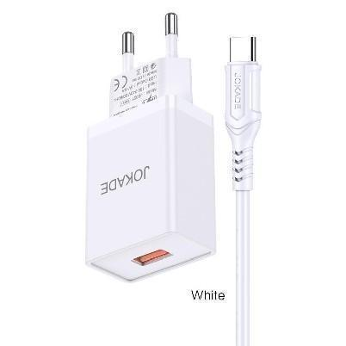 | 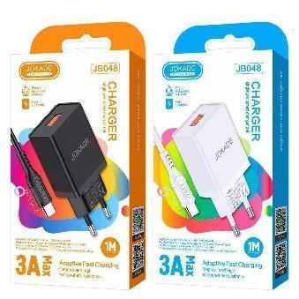 | Black | Buc | 35.00
JB009 ZHANCHONG series single port intelligent PD25W charger (EU) | 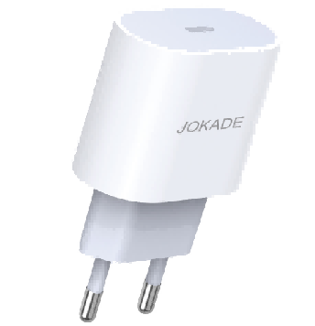 | 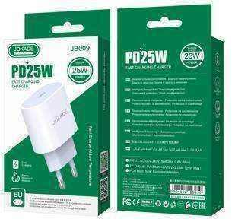 | White | Buc | 60.00
JB043 XINCI series PD20W single port smart charger (European standard) | 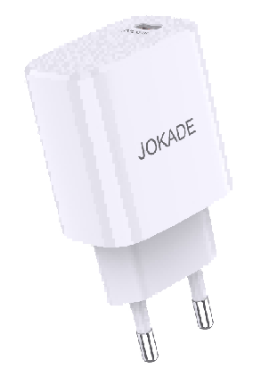 | 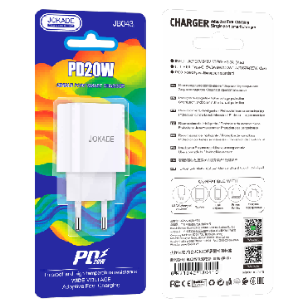 | White | Buc | 60.00
JB010-C-C CHENGYUN series single port intelligent PD20W charger set (Type-C to Type-C) (EU) | 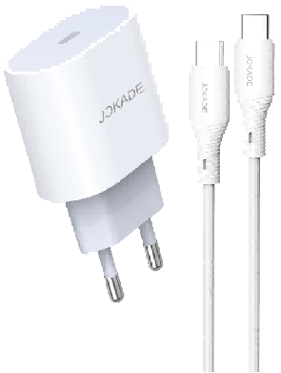 | 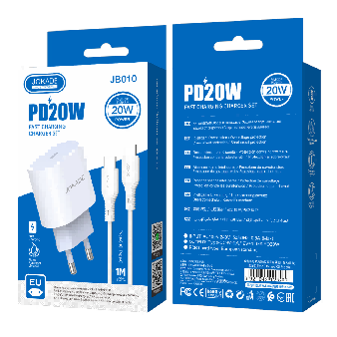 | White | Buc | 70.00
JB010-C-L CHENGYUN series single port intelligent PD20W charger set (Type-C to lightning)(EU) | 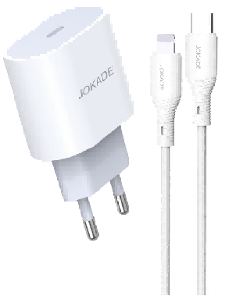 | 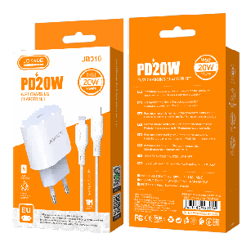 | White | Buc | 80.00
JB044-C-C JIUTING Series PD20W Single Port Smart Charger Set European Standard (Type-C-Type-C)) | 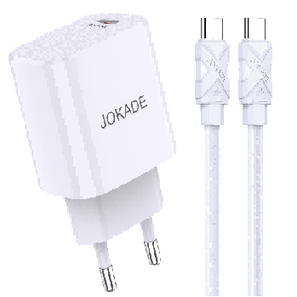 | 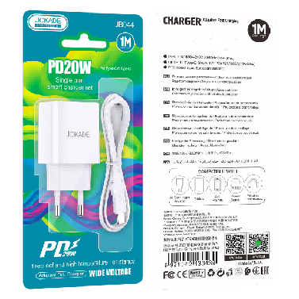 | White | Buc | 80.00
JB044-C-L JIUTING Series PD20W Single Port Smart Charger Set EU Plug (Type-C-Lightning) | 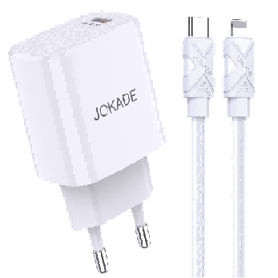 | 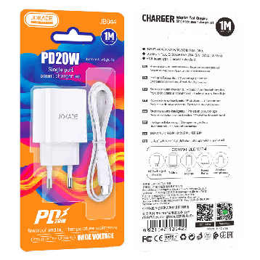 | White | Buc | 80.00
Earphone
JD051 CHUYIN universal earphone with mic 1.2m |  | 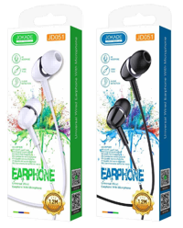 | Black | Buc | 25.00
JD052 XIANGE universal earphone with mic 1.2m |  | 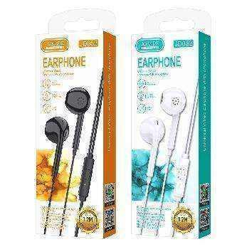 | Black | Buc | 25.00
JD008 QINGLING universal earphone with mic 1.2m | 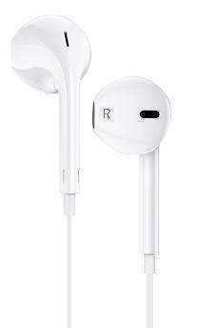 | 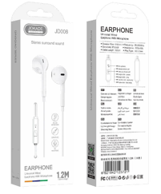 | White | Buc | 25.00
JD003 MANYIN universal earphone with mic | 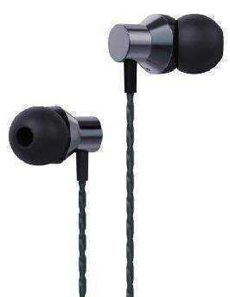 | 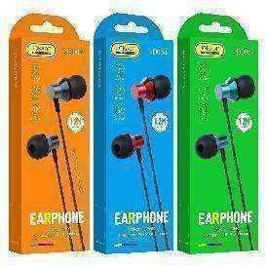 | Tarnish | Buc | 35.00
JD038-C SHANWEN Type-C wired earphone | 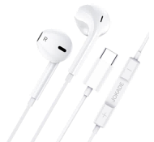 | 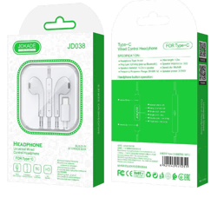 | White | Buc | 70.00
Car holder
JE009-A QIANHANG series Car air outlet gravity holder | 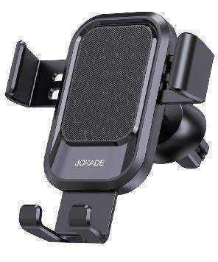 | 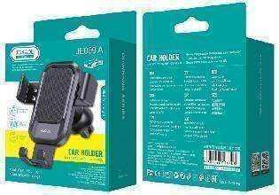 | Black | Buc | 50.00
JE006-A ANGWEI series Air outlet magnetic suction car holder | 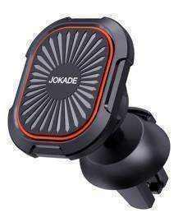 | 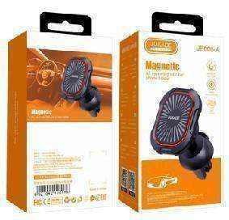 | Black | Buc | 60.00
JE006-C ANGWEI series Suction cup magnetic car holder | 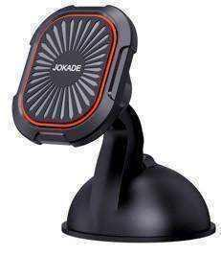 | 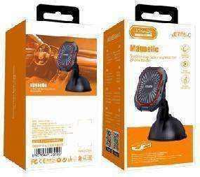 | Black | Buc | 60.00
JE006-D ANGWEI series Telescopic Magnetic Car holder | 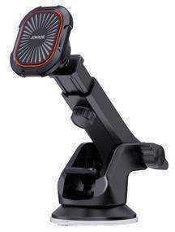 |  | Black | Buc | 80.00
JE011 YUEXING series Air outlet magnetic suction car holder |  |  | Black | Buc | 85.00
JH033 LIJIAN series Wireless fast charging car holder (air outlet) |  |  | Black | Buc | 140.00
Car Charger
JH009 BOYA Series Dual Port Smart Car Charger |  |  | Black | Buc | 30.00
JH005 NADU series dual port smart car charger |  |  | Black | Buc | 35.00
JH027 BAIMU series PD60W smart car charger |  |  | Black | Buc | 80.00
Audio
JD024 MINGLE colorful wireless speaker |  |  | Black | Buc | 120.00
JD001 QINGYUE sports BT speaker |  |  | Black Red Gray Green Cyan | Buc | 225.00
JD002 JINYUE sports BT speaker |  |  | Black Red Gray | Buc | 250.00
Auto Acsessories
JF032 LONGJIANG Series car number display |  |  | Black Yellow | Buc | 40.00

